data
House Price vs Land Size
House price vs Floor Space
MLS Listing Number | Listing Price ($CAD) | X1: Interior Floor Space (Sqft) | X2: Land Size (Acres) | X3: Number of Bedrooms | X4: Number of Bathrooms | X5: Age of Building (Years) | X6: Number of Storeys
10336130 | 630000 | 1415 | 0.11 | 2 | 2 | 27 | 1
10329675 | 649000 | 980 | 0.32 | 3 | 1 | 100 | 1
10338916 | 649900 | 1130 | 0.17 | 3 | 1 | 36 | 2
10338370 | 679000 | 2010 | 0.23 | 3 | 2 | 49 | 2
10338328 | 695000 | 1968 | 0.79 | 3 | 2 | 38 | 2
10339317 | 699000 | 1462 | 0.1 | 2 | 2 | 29 | 1
10330068 | 728900 | 1853 | 0.17 | 5 | 2 | 54 | 2
10332330 | 749000 | 2008 | 0.22 | 4 | 2 | 44 | 2
10336622 | 779900 | 2171 | 0.21 | 4 | 2 | 50 | 2
10331249 | 785000 | 1874 | 0.29 | 4 | 2 | 53 | 2
10323017 | 790000 | 2556 | 0.72 | 3 | 3 | 49 | 1
10332580 | 799000 | 2300 | 0.63 | 4 | 2 | 56 | 2
10336411 | 799000 | 1853 | 0.14 | 2 | 2 | 11 | 1
10335480 | 799900 | 2140 | 0.26 | 3 | 2 | 54 | 2
House Price vs Number of Bedrooms
10331109 | 825000 | 3189 | 0.19 | 5 | 3 | 46 | 3
House Price vs Number of Bathrooms
10334340 | 845000 | 2335 | 0.26 | 4 | 3 | 44 | 2
10337027 | 848000 | 1929 | 0.18 | 4 | 2 | 53 | 2
10337154 | 849000 | 2563 | 0.19 | 4 | 3 | 52 | 2
10335523 | 865000 | 2084 | 0.24 | 4 | 3 | 42 | 1
10335063 | 868000 | 2098 | 0.24 | 4 | 3 | 52 | 2
10334210 | 869900 | 2355 | 0.26 | 4 | 3 | 33 | 2
10337386 | 875000 | 2421 | 0.39 | 3 | 3 | 47 | 2
10337452 | 879900 | 2057 | 0.18 | 3 | 3 | 31 | 2
10334303 | 890000 | 2220 | 0.17 | 5 | 2 | 31 | 2
10329273 | 899000 | 714 | 0.12 | 2 | 1 | 75 | 1
10336444 | 899000 | 2075 | 0.13 | 4 | 3 | 20 | 2
10337581 | 899000 | 2438 | 0.39 | 3 | 2 | 53 | 2
10339715 | 899000 | 3152 | 0.19 | 3 | 3 | 31 | 2
10336899 | 899000 | 2989 | 0.1 | 3 | 3 | 20 | 2
House Price vs Age of Building
10337877 | 899000 | 2456 | 0.17 | 3 | 3 | 51 | 2
House Price vs Number of Storeys
10325121 | 899000 | 3224 | 0.36 | 5 | 3 | 38 | 2
10336435 | 899500 | 1776 | 0.1 | 2 | 2 | 18 | 1
10338750 | 899900 | 1995 | 0.32 | 5 | 3 | 33 | 2
10330528 | 900000 | 1040 | 0.18 | 1 | 1 | 57 | 1
10334245 | 924900 | 2521 | 0.21 | 4 | 3 | 31 | 2
10336017 | 935000 | 2418 | 0.48 | 4 | 3 | 45 | 2
10331364 | 949000 | 2487 | 0.18 | 4 | 3 | 28 | 2
10338501 | 949900 | 2913 | 0.14 | 3 | 3 | 27 | 1
10333034 | 950000 | 2861 | 0.18 | 5 | 3 | 18 | 2
10336877 | 959000 | 2669 | 0.12 | 4 | 3 | 15 | 2
10337771 | 975000 | 2872 | 0.21 | 4 | 4 | 26 | 2
10337570 | 979000 | 2513 | 0.63 | 3 | 3 | 49 | 2
10336830 | 984800 | 2593 | 0.29 | 3 | 3 | 40 | 2
10334361 | 998000 | 2640 | 0.22 | 3 | 3 | 46 | 2
10333170 | 998800 | 2248 | 0.56 | 5 | 3 | 51 | 2
10335352 | 999000 | 3495 | 0.33 | 7 | 5 | 52 | 2
10333381 | 999900 | 1948 | 0.29 | 4 | 2 | 53 | 2
10338269 | 1000000 | 1710 | 0.17 | 3 | 2 | 71 | 2
10336711 | 1039000 | 1960 | 0.38 | 6 | 3 | 56 | 2
10333768 | 1049000 | 3481 | 0.1 | 5 | 3 | 17 | 2
10337218 | 1050000 | 2451 | 0.38 | 4 | 3 | 51 | 2
10339572 | 1050000 | 2356 | 0.21 | 4 | 3 | 53 | 1
10337973 | 1085000 | 2301 | 0.3 | 4 | 3 | 54 | 2
10337605 | 1098000 | 2642 | 0.17 | 3 | 3 | 28 | 2
10327888 | 1099000 | 2551 | 0.16 | 4 | 4 | 2 | 2
10329612 | 1100000 | 2077 | 0.18 | 4 | 2 | 56 | 1
10325601 | 1149000 | 2077 | 0.15 | 4 | 2 | 1 | 2
10334241 | 1149900 | 2560 | 0.19 | 4 | 3 | 25 | 2
10334234 | 1,150,000 | 3531 | 0.28 | 6 | 4 | 49 | 2
10337914 | 1,150,000 | 2753 | 0.2 | 4 | 3 | 27 | 2
10338046 | 1,150,000 | 2818 | 0.23 | 5 | 3 | 1 | 2
10330984 | 1,150,000 | 1780 | 0.18 | 4 | 2 | 57 | 1
10336971 | 1,150,000 | 2862 | 0.11 | 3 | 3 | 15 | 2
10333022 | 1,150,000 | 3480 | 0.26 | 5 | 4 | 11 | 2
10335519 | 1,150,000 | 2915 | 0.2 | 5 | 3 | 21 | 2
10334038 | 1,170,000 | 2839 | 0.11 | 3 | 3 | 15 | 2
10338484 | 1,174,000 | 2269 | 0.2 | 3 | 3 | 27 | 3
10339111 | 1,175,000 | 1557 | 1.76 | 3 | 3 | 38 | 2
10331941 | 1,175,000 | 2955 | 0.34 | 4 | 4 | 35 | 1.5
10323970 | 1,179,000 | 2938 | 0.2 | 5 | 4 | 33 | 2
10329343 | 1,185,900 | 3274 | 0.14 | 4 | 4 | 0 | 3
10339186 | 1,190,000 | 3309 | 0.14 | 5 | 4 | 8 | 3
10338135 | 1,190,000 | 2946 | 0.25 | 4 | 3 | 8 | 1
10338858 | 1,198,000 | 3290 | 0.21 | 3 | 3 | 50 | 2
10338617 | 1,198,000 | 3296 | 0.54 | 4 | 3 | 33 | 2
10286167 | 1,198,000 | 3152 | 0.33 | 6 | 5 | 29 | 2
10330282 | 1,198,800 | 2854 | 3.47 | 4 | 3 | 57 | 2
10330275 | 1,649,900 | 3603 | 0.22 | 5 | 4 | 3 | 2
10330265 | 2,700,000 | 5105 | 0.45 | 4 | 5 | 15 | 2
10329908 | 1,199,000 | 1701 | 0.39 | 3 | 2 | 35 | 1
10329343 | 1,185,900 | 3274 | 0.14 | 4 | 4 | 1 | 3
10329345 | 1,225,900 | 3388 | 0.13 | 4 | 4 | 1 | 3
10329733 | 2,590,000 | 5062 | 0.25 | 7 | 6 | 1 | 2
10329542 | 1,795,000 | 3189 | 0.19 | 4 | 3 | 47 | 2
10329542 | 784,900 | 1911 | 0.22 | 4 | 3 | 34 | 1
10329417 | 1,398,000 | 3640 | 0.47 | 6 | 6 | 54 | 3
10329137 | 4,795,000 | 5846 | 1.22 | 4 | 5 | 20 | 2
10329280 | 1,449,900 | 3622 | 0.56 | 5 | 4 | 48 | 3
10326464 | 2,500,000 | 2970 | 10 | 3 | 3 | 22 | 1
10327067 | 1,999,000 | 3768 | 2.84 | 5 | 4 | 17 | 3
10327888 | 1,099,000 | 2551 | 0.16 | 4 | 4 | 2 | 2
10326179 | 6,500,000 | 5718 | 12.68 | 9 | 9 | 49 | 2
10326130 | 998,000 | 2500 | 0.22 | 4 | 3 | 56 | 2
10325601 | 1,149,000 | 2077 | 0.15 | 4 | 2 | 1 | 2
10325121 | 899,000 | 3224 | 0.36 | 5 | 3 | 38 | 2
10325559 | 2,349,000 | 6373 | 0.29 | 5 | 6 | 18 | 2
10321935 | 2,300,000 | 4407 | 0.21 | 5 | 6 | 1 | 2
10321935 | 2,195,000 | 4345 | 0.22 | 4 | 4 | 8 | 2
10324439 | 1,149,000 | 1497 | 0.19 | 2 | 3 | 9 | 3
10321935 | 2,300,000 | 4407 | 0.21 | 5 | 6 | 1 | 2
10323125 | 1,500,000 | 2060 | 0.17 | 4 | 2 | 52 | 2

 | 1000000 | 2551 | 0.21

Scatter Plots
MLS Listing Number | Listing Price ($CAD)(Y) | X1: Interior Floor Space (Sqft) | X2: Land Size (Acres) | X3: Number of Bedrooms | X4: Number of Bathrooms | X5: Age of Building (Years) | X6: Number of Storeys
10336130 | 630000 | 1415 | 0.11 | 2 | 2 | 27 | 1
10329675 | 649000 | 980 | 0.32 | 3 | 1 | 100 | 1
10338916 | 649900 | 1130 | 0.17 | 3 | 1 | 36 | 2
10338370 | 679000 | 2010 | 0.23 | 3 | 2 | 49 | 2
10338328 | 695000 | 1968 | 0.79 | 3 | 2 | 38 | 2
10339317 | 699000 | 1462 | 0.1 | 2 | 2 | 29 | 1
10330068 | 728900 | 1853 | 0.17 | 5 | 2 | 54 | 2
10332330 | 749000 | 2008 | 0.22 | 4 | 2 | 44 | 2
10336622 | 779900 | 2171 | 0.21 | 4 | 2 | 50 | 2
10331249 | 785000 | 1874 | 0.29 | 4 | 2 | 53 | 2
10323017 | 790000 | 2556 | 0.72 | 3 | 3 | 49 | 1
10332580 | 799000 | 2300 | 0.63 | 4 | 2 | 56 | 2
10336411 | 799000 | 1853 | 0.14 | 2 | 2 | 11 | 1
10335480 | 799900 | 2140 | 0.26 | 3 | 2 | 54 | 2
10331109 | 825000 | 3189 | 0.19 | 5 | 3 | 46 | 3
10334340 | 845000 | 2335 | 0.26 | 4 | 3 | 44 | 2
10337027 | 848000 | 1929 | 0.18 | 4 | 2 | 53 | 2
10337154 | 849000 | 2563 | 0.19 | 4 | 3 | 52 | 2
10335523 | 865000 | 2084 | 0.24 | 4 | 3 | 42 | 1
10335063 | 868000 | 2098 | 0.24 | 4 | 3 | 52 | 2
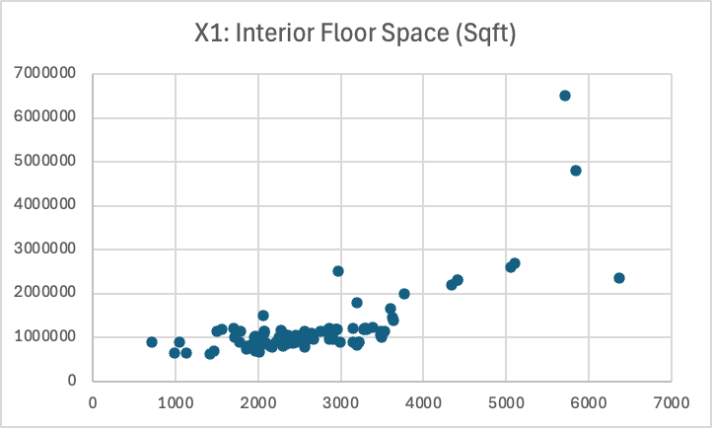
10334210 | 869900 | 2355 | 0.26 | 4 | 3 | 33 | 2
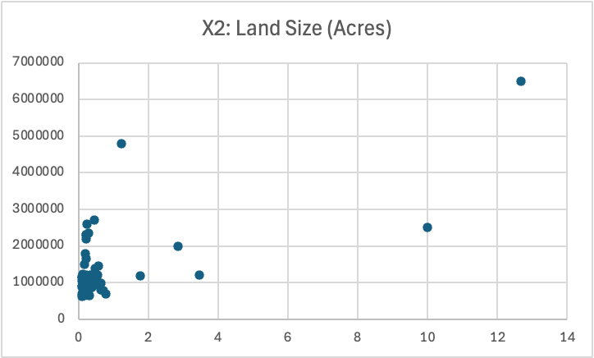
10337386 | 875000 | 2421 | 0.39 | 3 | 3 | 47 | 2
10337452 | 879900 | 2057 | 0.18 | 3 | 3 | 31 | 2
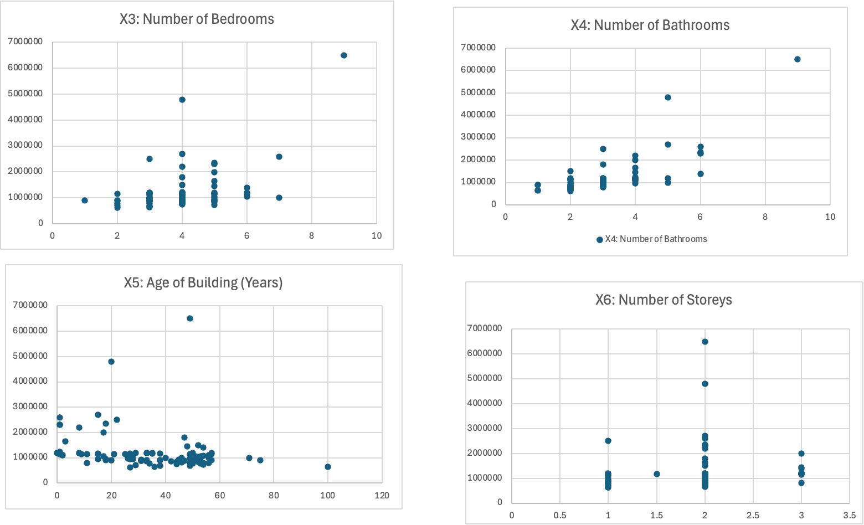
10334303 | 890000 | 2220 | 0.17 | 5 | 2 | 31 | 2
10329273 | 899000 | 714 | 0.12 | 2 | 1 | 75 | 1
10336444 | 899000 | 2075 | 0.13 | 4 | 3 | 20 | 2
10337581 | 899000 | 2438 | 0.39 | 3 | 2 | 53 | 2
10339715 | 899000 | 3152 | 0.19 | 3 | 3 | 31 | 2
10336899 | 899000 | 2989 | 0.1 | 3 | 3 | 20 | 2
10337877 | 899000 | 2456 | 0.17 | 3 | 3 | 51 | 2
10325121 | 899000 | 3224 | 0.36 | 5 | 3 | 38 | 2
10336435 | 899500 | 1776 | 0.1 | 2 | 2 | 18 | 1
10338750 | 899900 | 1995 | 0.32 | 5 | 3 | 33 | 2
10330528 | 900000 | 1040 | 0.18 | 1 | 1 | 57 | 1
10334245 | 924900 | 2521 | 0.21 | 4 | 3 | 31 | 2
10336017 | 935000 | 2418 | 0.48 | 4 | 3 | 45 | 2
10331364 | 949000 | 2487 | 0.18 | 4 | 3 | 28 | 2
10338501 | 949900 | 2913 | 0.14 | 3 | 3 | 27 | 1
10333034 | 950000 | 2861 | 0.18 | 5 | 3 | 18 | 2
10336877 | 959000 | 2669 | 0.12 | 4 | 3 | 15 | 2
10337771 | 975000 | 2872 | 0.21 | 4 | 4 | 26 | 2
10337570 | 979000 | 2513 | 0.63 | 3 | 3 | 49 | 2
10336830 | 984800 | 2593 | 0.29 | 3 | 3 | 40 | 2
10334361 | 998000 | 2640 | 0.22 | 3 | 3 | 46 | 2
10333170 | 998800 | 2248 | 0.56 | 5 | 3 | 51 | 2
10335352 | 999000 | 3495 | 0.33 | 7 | 5 | 52 | 2
10333381 | 999900 | 1948 | 0.29 | 4 | 2 | 53 | 2
10338269 | 1000000 | 1710 | 0.17 | 3 | 2 | 71 | 2
10336711 | 1039000 | 1960 | 0.38 | 6 | 3 | 56 | 2
10333768 | 1049000 | 3481 | 0.1 | 5 | 3 | 17 | 2
10337218 | 1050000 | 2451 | 0.38 | 4 | 3 | 51 | 2
10339572 | 1050000 | 2356 | 0.21 | 4 | 3 | 53 | 1
10337973 | 1085000 | 2301 | 0.3 | 4 | 3 | 54 | 2
10337605 | 1098000 | 2642 | 0.17 | 3 | 3 | 28 | 2
10327888 | 1099000 | 2551 | 0.16 | 4 | 4 | 2 | 2
10329612 | 1100000 | 2077 | 0.18 | 4 | 2 | 56 | 1
10325601 | 1149000 | 2077 | 0.15 | 4 | 2 | 1 | 2
10334241 | 1149900 | 2560 | 0.19 | 4 | 3 | 25 | 2
10334234 | 1,150,000 | 3531 | 0.28 | 6 | 4 | 49 | 2
10337914 | 1,150,000 | 2753 | 0.2 | 4 | 3 | 27 | 2
10338046 | 1,150,000 | 2818 | 0.23 | 5 | 3 | 1 | 2
10330984 | 1,150,000 | 1780 | 0.18 | 4 | 2 | 57 | 1
10336971 | 1,150,000 | 2862 | 0.11 | 3 | 3 | 15 | 2
10333022 | 1,150,000 | 3480 | 0.26 | 5 | 4 | 11 | 2
10335519 | 1,150,000 | 2915 | 0.2 | 5 | 3 | 21 | 2
10334038 | 1,170,000 | 2839 | 0.11 | 3 | 3 | 15 | 2
10338484 | 1,174,000 | 2269 | 0.2 | 3 | 3 | 27 | 3
10339111 | 1,175,000 | 1557 | 1.76 | 3 | 3 | 38 | 2
10331941 | 1,175,000 | 2955 | 0.34 | 4 | 4 | 35 | 1.5
10323970 | 1,179,000 | 2938 | 0.2 | 5 | 4 | 33 | 2
10329343 | 1,185,900 | 3274 | 0.14 | 4 | 4 | 0 | 3
10339186 | 1,190,000 | 3309 | 0.14 | 5 | 4 | 8 | 3
10338135 | 1,190,000 | 2946 | 0.25 | 4 | 3 | 8 | 1
10338858 | 1,198,000 | 3290 | 0.21 | 3 | 3 | 50 | 2
10338617 | 1,198,000 | 3296 | 0.54 | 4 | 3 | 33 | 2
10286167 | 1,198,000 | 3152 | 0.33 | 6 | 5 | 29 | 2
10330282 | 1,198,800 | 2854 | 3.47 | 4 | 3 | 57 | 2
10330275 | 1,649,900 | 3603 | 0.22 | 5 | 4 | 3 | 2
10330265 | 2,700,000 | 5105 | 0.45 | 4 | 5 | 15 | 2
10329908 | 1,199,000 | 1701 | 0.39 | 3 | 2 | 35 | 1
10329343 | 1,185,900 | 3274 | 0.14 | 4 | 4 | 1 | 3
10329345 | 1,225,900 | 3388 | 0.13 | 4 | 4 | 1 | 3
10329733 | 2,590,000 | 5062 | 0.25 | 7 | 6 | 1 | 2
10329542 | 1,795,000 | 3189 | 0.19 | 4 | 3 | 47 | 2
10329542 | 784,900 | 1911 | 0.22 | 4 | 3 | 34 | 1
10329417 | 1,398,000 | 3640 | 0.47 | 6 | 6 | 54 | 3
10329137 | 4,795,000 | 5846 | 1.22 | 4 | 5 | 20 | 2
10329280 | 1,449,900 | 3622 | 0.56 | 5 | 4 | 48 | 3
10326464 | 2,500,000 | 2970 | 10 | 3 | 3 | 22 | 1
10327067 | 1,999,000 | 3768 | 2.84 | 5 | 4 | 17 | 3
10327888 | 1,099,000 | 2551 | 0.16 | 4 | 4 | 2 | 2
10326179 | 6,500,000 | 5718 | 12.68 | 9 | 9 | 49 | 2
10326130 | 998,000 | 2500 | 0.22 | 4 | 3 | 56 | 2
10325601 | 1,149,000 | 2077 | 0.15 | 4 | 2 | 1 | 2
10325121 | 899,000 | 3224 | 0.36 | 5 | 3 | 38 | 2
10325559 | 2,349,000 | 6373 | 0.29 | 5 | 6 | 18 | 2
10321935 | 2,300,000 | 4407 | 0.21 | 5 | 6 | 1 | 2
10321935 | 2,195,000 | 4345 | 0.22 | 4 | 4 | 8 | 2
10324439 | 1,149,000 | 1497 | 0.19 | 2 | 3 | 9 | 3
10321935 | 2,300,000 | 4407 | 0.21 | 5 | 6 | 1 | 2
10323125 | 1,500,000 | 2060 | 0.17 | 4 | 2 | 52 | 2

